统计
2022-02-07 |  |  |  | 2022-02-20 |  |  |  | 2022/2/27部分标注不明确，暂不统计 |  |  |  | 2022-03-07 |  |  |  |  |  |  |  | Type | Number | Classification | 此处的Classification 指的是Condensation中存在的互作方式，用数字代替文字描述
classification | number |  |  | classification | number | percent |  | classification | number | percent |  | classification | number | percent |  |  |  |  |  | Ago2+TNRC6B | 3 | 1 | domain-motif | 1
domain-motif | 79 |  |  | domain-motif | 85 | 48.30% |  | domain-motif |  |  |  | domain-motif | 122 | 50.83% |  |  |  |  |  | ATR+TopBP1+Rad9 | 3 | 12 | domain-domain | 2
domain-domain | 22 |  |  | domain-domain | 32 | 18.18% |  | domain-domain |  |  |  | domain-domain | 46 | 19.17% |  |  |  |  |  | Axin1+APC | 3 | 1 | domain-disorder | 3
domain-disorder | 16 |  |  | domain-disorder | 17 | 9.66% |  | domain-disorder |  |  |  | domain-disorder | 29 | 12.08% |  |  |  |  |  | Borealin+Sgo1 | 1 | 3 | disorder-disorder | 4
disorder-disorder | 11 |  |  | disorder-disorder | 11 | 6.25% |  | disorder-disorder |  |  |  | disorder-disorder | 11 | 4.58% |  |  |  |  |  | BRD4+MED1 | 1 | 4 | without annotation | 5
without annotation | 21 |  |  | without annotation | 31 | 17.61% |  | without annotation |  |  |  | without annotation | 29 | 12.08% |  |  |  |  |  | Cep152+Cep63 | 2 | 3 | domain-motif; domain-domain | 12
 |  |  |  |  |  |  |  |  |  |  |  | other | 3 | 1.25% | (包含无法判断类型的，如互作的序列上既有domain又有disorder） |  |  |  |  | CIN85+SLP65 | 9 | 1 | domain-motif; domain-disorder | 13
 |  |  |  |  |  |  |  |  |  |  |  | Total | 240 |  |  |  |  |  |  | Dvl-2+TAZ | 2 | 1 | domain-domain; domain-disorder | 23
The interaction details of the second binding mode |  |  |  |  |  |  |  |  |  |  |  |  |  |  |  |  |  |  |  | eIF4G+G3BP1+PABP1+ataxin 2 | 4 | 13 | domain-motif; domain-domain; domain-disorder | 123
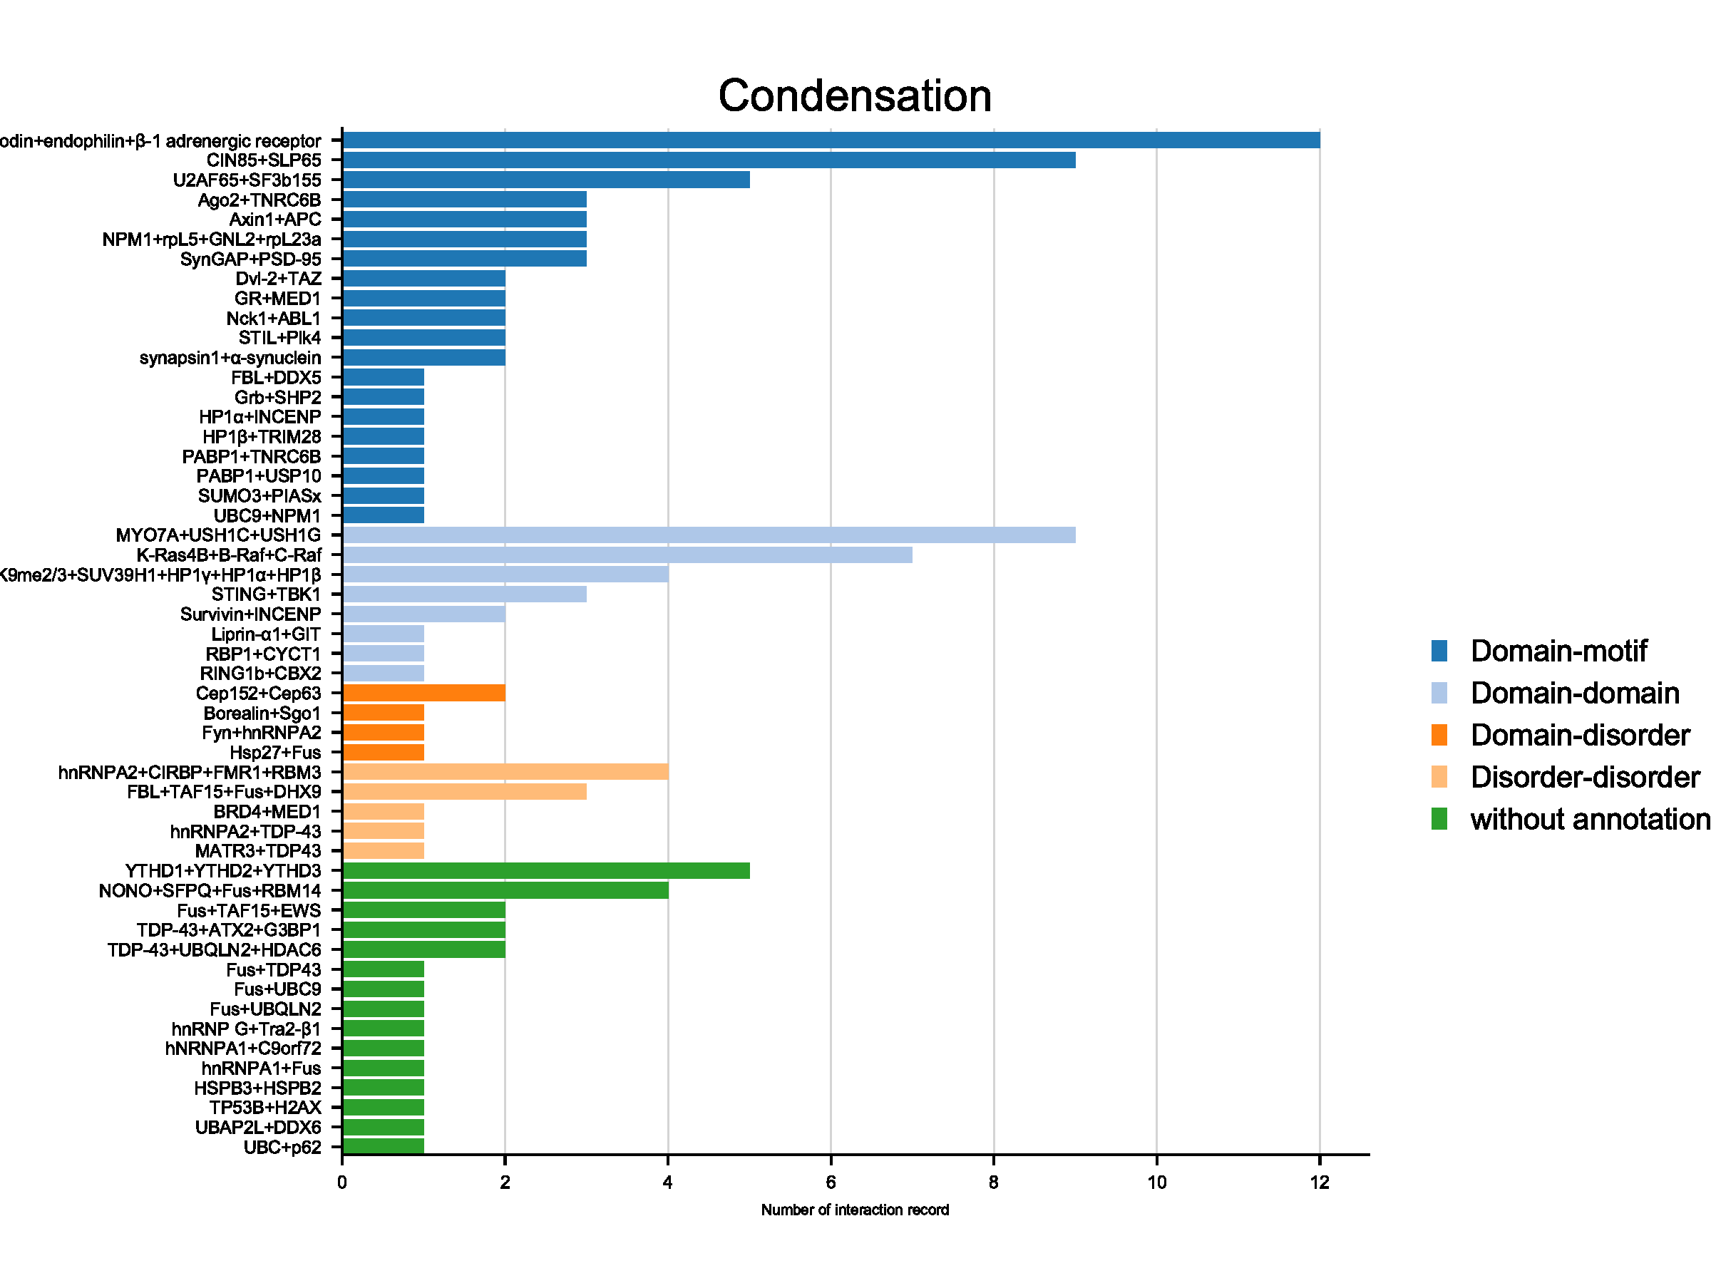
 |  |  |  |  |  |  |  |  |  |  |  |  |  |  |  |  |  |  |  | FBL+DDX5 | 1 | 1
C. An illustration of binding mode of NPM1:SURF6 / NPM1:RPL5 / NPM1:GNL2 |  |  |  |  |  |  |  |  |  |  |  |  |  |  |  |  |  |  |  | FBL+TAF15+Fus+DHX9 | 3 | 4
PhaSepDB2.0 |  | NPM1 and SURF6-N form heterotypic liquid-like droplets | P06748 | NPM_HUMAN | 1 | 130 | N130 | R-motifs bind to a region of NPM1 which includes the OD and a short disordered region (residues 1–130; termed N130; Figure 2a). The interactions engage two highly conserved acidic tracts, termed A1 (residues 34–39) and A2 (residues 120–130), at the interface between monomer subunits and within the disordered region (Mitrea et al., 2014), respectively (Figure 2a). T | O75683 | SURF6_HUMAN | 299 | 326 | RRAQRQRRWEKRTAGVVEKMQQRQDRRR | S6N | Table 1. Amino acid sequences of the synthetic multivalent R-motif containing peptides. | PMID: 26836305 | pull-down experiment | We first investigated interactions of R-motif-containing proteins with NPM1 by analyzing the results of a whole cell NPM1 pull-down experiment (see Materials and Methods). Of 132 NPM1-binding proteins, 97% exhibited at least one R-motif (RXn1R, where X is any amino acid and n1 ≤ 2; Supplementary file 1) | domain-motif | FGFR2+SHP2+PLCg1 | 3 | 12
PhaSepDB2.0 |  | NPM1 integrates within the nucleolus via a multi-modal mechanism involving multivalent interactions with proteins containing arginine-rich linear motifs (R-motifs) | P06748 | NPM_HUMAN | 1 | 130 | N130 | R-motifs bind to a region of NPM1 which includes the OD and a short disordered region (residues 1–130; termed N130; Figure 2a). The interactions engage two highly conserved acidic tracts, termed A1 (residues 34–39) and A2 (residues 120–130), at the interface between monomer subunits and within the disordered region (Mitrea et al., 2014), respectively (Figure 2a). T | P46777 | RL5_HUMAN | 21 | 37 | RRRREGKTDYYARKRLV | rpl5 | Table 1. Amino acid sequences of the synthetic multivalent R-motif containing peptides. | PMID: 26836305 | pull-down experiment | We first investigated interactions of R-motif-containing proteins with NPM1 by analyzing the results of a whole cell NPM1 pull-down experiment (see Materials and Methods). Of 132 NPM1-binding proteins, 97% exhibited at least one R-motif (RXn1R, where X is any amino acid and n1 ≤ 2; Supplementary file 1) | domain-motif | Fus+TAF15+EWS | 2 | 5
PhaSepDB2.0 |  | NPM1 integrates within the nucleolus via a multi-modal mechanism involving multivalent interactions with proteins containing arginine-rich linear motifs (R-motifs) | P06748 | NPM_HUMAN | 1 | 130 | N130 | R-motifs bind to a region of NPM1 which includes the OD and a short disordered region (residues 1–130; termed N130; Figure 2a). The interactions engage two highly conserved acidic tracts, termed A1 (residues 34–39) and A2 (residues 120–130), at the interface between monomer subunits and within the disordered region (Mitrea et al., 2014), respectively (Figure 2a). T | Q13823 | NOG2_HUMAN | 682 | 709 | RRRAVRQQRPKKVGVRYYETHNVKNRNR | GNL2 | Table 1. Amino acid sequences of the synthetic multivalent R-motif containing peptides. | PMID: 26836305 | pull-down experiment | We first investigated interactions of R-motif-containing proteins with NPM1 by analyzing the results of a whole cell NPM1 pull-down experiment (see Materials and Methods). Of 132 NPM1-binding proteins, 97% exhibited at least one R-motif (RXn1R, where X is any amino acid and n1 ≤ 2; Supplementary file 1) | domain-motif | Fus+TDP43 | 1 | 5
PhaSepDB2.0 |  | NPM1 integrates within the nucleolus via a multi-modal mechanism involving multivalent interactions with proteins containing arginine-rich linear motifs (R-motifs) | P06748 | NPM_HUMAN | 1 | 130 | N130 | R-motifs bind to a region of NPM1 which includes the OD and a short disordered region (residues 1–130; termed N130; Figure 2a). The interactions engage two highly conserved acidic tracts, termed A1 (residues 34–39) and A2 (residues 120–130), at the interface between monomer subunits and within the disordered region (Mitrea et al., 2014), respectively (Figure 2a). T | P62750 | RL23A_HUMAN | 47 | 68 | RRPKTLRLRRQPKYPRKSAPRR | rpL23a | Table 1. Amino acid sequences of the synthetic multivalent R-motif containing peptides. | PMID: 26836305 | pull-down experiment | We first investigated interactions of R-motif-containing proteins with NPM1 by analyzing the results of a whole cell NPM1 pull-down experiment (see Materials and Methods). Of 132 NPM1-binding proteins, 97% exhibited at least one R-motif (RXn1R, where X is any amino acid and n1 ≤ 2; Supplementary file 1) | domain-motif | Fus+UBC9 | 1 | 5
 |  |  |  |  |  |  |  |  |  |  |  |  |  |  |  |  |  |  |  | Fus+UBQLN2 | 1 | 5
 |  |  |  |  |  |  |  |  |  |  |  |  |  |  |  |  |  |  |  | FXR1+FMR1+CAPRIN1+G3BP1+G3BP2+NUFIP2+USP10+CAPRIN1+UBAP2L | 12 | 12
 |  |  |  |  |  |  |  |  |  |  |  |  |  |  |  |  |  |  |  | Fyn+hnRNPA2 | 1 | 3
 |  |  |  |  |  |  |  |  |  |  |  |  |  |  |  |  |  |  |  | GR+MED1 | 2 | 1
 |  |  |  |  |  |  |  |  |  |  |  |  |  |  |  |  |  |  |  | Grb+SHP2 | 1 | 1
 |  |  |  |  |  |  |  |  |  |  |  |  |  |  |  |  |  |  |  | H3K9me2/3+SUV39H1+HP1γ+HP1α+HP1β | 4 | 2
 |  |  |  |  |  |  |  |  |  |  |  |  |  |  |  |  |  |  |  | hnRNP G+Tra2-β1 | 1 | 5
 |  |  |  |  |  |  |  |  |  |  |  |  |  |  |  |  |  |  |  | hNRNPA1+C9orf72 | 1 | 5
 |  |  |  |  |  |  |  |  |  |  |  |  |  |  |  |  |  |  |  | hnRNPA1+Fus | 1 | 5
 |  |  |  |  |  |  |  |  |  |  |  |  |  |  |  |  |  |  |  | hnRNPA2+CIRBP+FMR1+RBM3 | 4 | 4
 |  |  |  |  |  |  |  |  |  |  |  |  |  |  |  |  |  |  |  | hnRNPA2+TDP-43 | 1 | 4
 |  |  |  |  |  |  |  |  |  |  |  |  |  |  |  |  |  |  |  | HP1α+HP1β+TRIM28+H3K9me3 | 3 | 12
 |  |  |  |  |  |  |  |  |  |  |  |  |  |  |  |  |  |  |  | HP1α+INCENP | 1 | 1
 |  |  |  |  |  |  |  |  |  |  |  |  |  |  |  |  |  |  |  | HP1β+TRIM28 | 1 | 1
 |  |  |  |  |  |  |  |  |  |  |  |  |  |  |  |  |  |  |  | HP1γ+TRIM28+H3K9me3 | 2 | 13
 |  |  |  |  |  |  |  |  |  |  |  |  |  |  |  |  |  |  |  | Hsp27+Fus | 1 | 3
 |  |  |  |  |  |  |  |  |  |  |  |  |  |  |  |  |  |  |  | HSPA1A+TDP43 | 1
 |  |  |  |  |  |  |  |  |  |  |  |  |  |  |  |  |  |  |  | HSPA5+TDP-43+HSPA8 | 4 | 12
 |  |  |  |  |  |  |  |  |  |  |  |  |  |  |  |  |  |  |  | HSPB3+HSPB2 | 1 | 5
 |  |  |  |  |  |  |  |  |  |  |  |  |  |  |  |  |  |  |  | KEAP1+NRF2+p62 | 2 | 13
 |  |  |  |  |  |  |  |  |  |  |  |  |  |  |  |  |  |  |  | K-Ras4B+B-Raf+C-Raf | 7 | 2
 |  |  |  |  |  |  |  |  |  |  |  |  |  |  |  |  |  |  |  | lamellipodin+endophilin+β-1 adrenergic receptor | 12 | 1
 |  |  |  |  |  |  |  |  |  |  |  |  |  |  |  |  |  |  |  | LAT+Grb2+Sos1+pSLP76; Nck1+WASP+Grb2 | 37 | 12
 |  |  |  |  |  |  |  |  |  |  |  |  |  |  |  |  |  |  |  | LC3B+p62+NBR1 | 4 | 123
 |  |  |  |  |  |  |  |  |  |  |  |  |  |  |  |  |  |  |  | Liprin-α1+GIT | 1 | 2
 |  |  |  |  |  |  |  |  |  |  |  |  |  |  |  |  |  |  |  | MATR3+TDP43 | 1 | 4
 |  |  |  |  |  |  |  |  |  |  |  |  |  |  |  |  |  |  |  | MYO7A+USH1C+USH1G | 9 | 2
 |  |  |  |  |  |  |  |  |  |  |  |  |  |  |  |  |  |  |  | MYO7B+USH1C+ANKS4B | 6 | 23
 |  |  |  |  |  |  |  |  |  |  |  |  |  |  |  |  |  |  |  | Nck1+ABL1 | 2 | 1
 |  |  |  |  |  |  |  |  |  |  |  |  |  |  |  |  |  |  |  | NONO+SFPQ+Fus+RBM14 | 4 | 5
 |  |  |  |  |  |  |  |  |  |  |  |  |  |  |  |  |  |  |  | NPM1+rpL5+GNL2+rpL23a | 3 | 1
 |  |  |  |  |  |  |  |  |  |  |  |  |  |  |  |  |  |  |  | NPM1+SURF6 | 2 | 14
 |  |  |  |  |  |  |  |  |  |  |  |  |  |  |  |  |  |  |  | PABP1+Fus | 1 | ?
 |  |  |  |  |  |  |  |  |  |  |  |  |  |  |  |  |  |  |  | PABP1+TNRC6B | 1 | 1
 |  |  |  |  |  |  |  |  |  |  |  |  |  |  |  |  |  |  |  | PABP1+USP10 | 1 | 1
 |  |  |  |  |  |  |  |  |  |  |  |  |  |  |  |  |  |  |  | PSMB2+UBE3A+RAD23B | 2 | 15
 |  |  |  |  |  |  |  |  |  |  |  |  |  |  |  |  |  |  |  | RBP1++Fus+EWS+MED1+SRSF1+TAF15 | 5 | 35
 |  |  |  |  |  |  |  |  |  |  |  |  |  |  |  |  |  |  |  | RBP1+CYCT1 | 1 | 2
 |  |  |  |  |  |  |  |  |  |  |  |  |  |  |  |  |  |  |  | RBP1+NELFA+NELFB+NELFD+NELFE | 6 | 23
 |  |  |  |  |  |  |  |  |  |  |  |  |  |  |  |  |  |  |  | RING1b+CBX2 | 1 | 2
 |  |  |  |  |  |  |  |  |  |  |  |  |  |  |  |  |  |  |  | SPOP+DAXX+Cul3+Rbx1 | 11 | 123
 |  |  |  |  |  |  |  |  |  |  |  |  |  |  |  |  |  |  |  | STIL+Plk4 | 2 | 1
 |  |  |  |  |  |  |  |  |  |  |  |  |  |  |  |  |  |  |  | STING+TBK1 | 3 | 2
 |  |  |  |  |  |  |  |  |  |  |  |  |  |  |  |  |  |  |  | SUMO3+PIASx | 1 | 1
 |  |  |  |  |  |  |  |  |  |  |  |  |  |  |  |  |  |  |  | Survivin+INCENP | 2 | 2
 |  |  |  |  |  |  |  |  |  |  |  |  |  |  |  |  |  |  |  | synapsin1+Grb2+intersectin | 5 | 13
 |  |  |  |  |  |  |  |  |  |  |  |  |  |  |  |  |  |  |  | synapsin1+α-synuclein | 2 | 1
 |  |  |  |  |  |  |  |  |  |  |  |  |  |  |  |  |  |  |  | SynGAP+PSD-95 | 3 | 1
 |  |  |  |  |  |  |  |  |  |  |  |  |  |  |  |  |  |  |  | TDP-43+ATX2+G3BP1 | 2 | 5
 |  |  |  |  |  |  |  |  |  |  |  |  |  |  |  |  |  |  |  | TDP-43+UBQLN2+HDAC6 | 2 | 5
 |  |  |  |  |  |  |  |  |  |  |  |  |  |  |  |  |  |  |  | TEAD1+YAP1 | 3 | 123
 |  |  |  |  |  |  |  |  |  |  |  |  |  |  |  |  |  |  |  | TEAD4+TAZ+YAP1 | 9 | 123
 |  |  |  |  |  |  |  |  |  |  |  |  |  |  |  |  |  |  |  | TP53B+H2AX | 1 | 5
 |  |  |  |  |  |  |  |  |  |  |  |  |  |  |  |  |  |  |  | U2AF65+SF3b155 | 5 | 1
 |  |  |  |  |  |  |  |  |  |  |  |  |  |  |  |  |  |  |  | UBAP2L+DDX6 | 1 | 5
 |  |  |  |  |  |  |  |  |  |  |  |  |  |  |  |  |  |  |  | UBC+p62 | 1 | 5
 |  |  |  |  |  |  |  |  |  |  |  |  |  |  |  |  |  |  |  | UBC9+NPM1 | 1 | 1
 |  |  |  |  |  |  |  |  |  |  |  |  |  |  |  |  |  |  |  | YTHD1+YTHD2+YTHD3 | 5 | 5

